Report 1
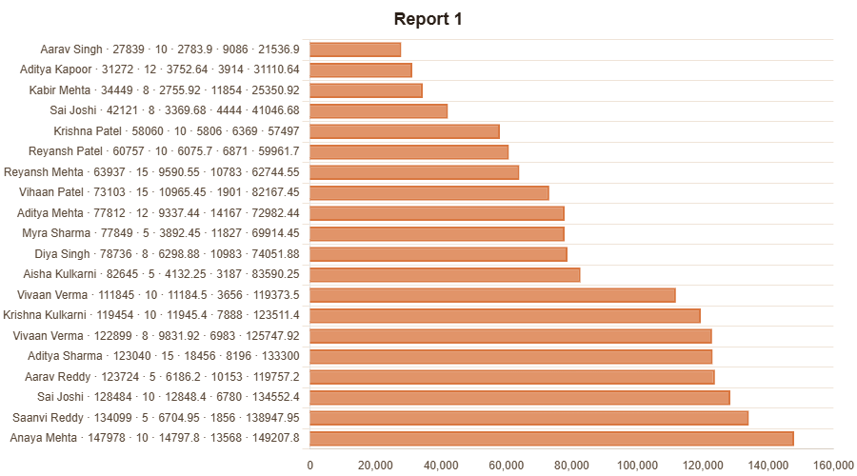
Report 1

Employees | Salary | Interest % | Interest in rupees | Deductions | Total in Hand | WAVG(Salary) | Running Total
Aarav Singh | 27839 | 10 | 2783.9 | 9086 | 21536.9 | 27839 | 27839
Aditya Kapoor | 31272 | 12 | 3752.64 | 3914 | 31110.64 | 31272 | 59111
Kabir Mehta | 34449 | 8 | 2755.92 | 11854 | 25350.92 | 34449 | 93560
Sai Joshi | 42121 | 8 | 3369.68 | 4444 | 41046.68 | 42121 | 135681
Krishna Patel | 58060 | 10 | 5806 | 6369 | 57497 | 58060 | 193741
Reyansh Patel | 60757 | 10 | 6075.7 | 6871 | 59961.7 | 60757 | 254498
Reyansh Mehta | 63937 | 15 | 9590.55 | 10783 | 62744.55 | 63937 | 318435
Vihaan Patel | 73103 | 15 | 10965.45 | 1901 | 82167.45 | 73103 | 391538
Aditya Mehta | 77812 | 12 | 9337.44 | 14167 | 72982.44 | 77812 | 469350
Myra Sharma | 77849 | 5 | 3892.45 | 11827 | 69914.45 | 77849 | 547199
Diya Singh | 78736 | 8 | 6298.88 | 10983 | 74051.88 | 78736 | 625935
Aisha Kulkarni | 82645 | 5 | 4132.25 | 3187 | 83590.25 | 82645 | 708580
Vivaan Verma | 111845 | 10 | 11184.5 | 3656 | 119373.5 | 111845 | 820425
Krishna Kulkarni | 119454 | 10 | 11945.4 | 7888 | 123511.4 | 119454 | 939879
Vivaan Verma | 122899 | 8 | 9831.92 | 6983 | 125747.92 | 122899 | 1062778
Aditya Sharma | 123040 | 15 | 18456 | 8196 | 133300 | 123040 | 1185818
Aarav Reddy | 123724 | 5 | 6186.2 | 10153 | 119757.2 | 123724 | 1309542
Sai Joshi | 128484 | 10 | 12848.4 | 6780 | 134552.4 | 128484 | 1438026
Saanvi Reddy | 134099 | 5 | 6704.95 | 1856 | 138947.95 | 134099 | 1572125
Anaya Mehta | 147978 | 10 | 14797.8 | 13568 | 149207.8 | 147978 | 1720103
TOTAL |  |  |  |  |  | 1720103 | 13874163

